Notes
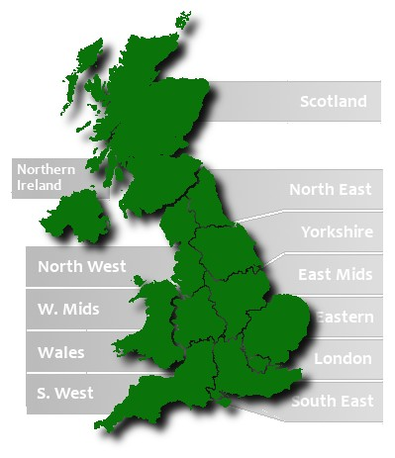
UK Population link
http://www.ons.gov.uk/ons/index.html

